Quotation (2)
HANGZHOU LIFESMART TRADE CO.,LTD.
Headquater address: Room 323, Yuesheng International Center, 518 Pinglan Road, Xiaoshan District, Hangzhou, Zhejiang, China
SZ branch address:5th Floor, Building 1, Runhengdingfeng Industrial Park, No. 1, Liuxian 3rd Road, Xin'an Sub-district, Bao'an District, Shenzhen, China
Tel: 86-0571-87065207 Fax: 86-0571-87065207
Contact: Kelly Email: kelly@ilifesmart.com Tel: 86 13590333104

Company name: | Regravity Ltd |  |  |  |  | Date: |  | 2026-07-24
Address: | 上海市松江区千帆路288号拉斐尔云廊3号楼501室 |  |  |  |  | PI No.: |  | JO2578-2026-0724
Attn: | Hoxs |  |  |  |  | Delivery time:
Tel: | 8618588204103 |  |  |  |  | Shipment:

Profoma Invoice
Item | Name | Model | Qty | Unit | Unit Price (USD) | Amount (USD) | Photo | Engraving contents | Delivery date | Remark | 列1 | 列2 | 列3 | 列4 | 列224 | 列225 | 列226 | 列227 | 列228 | 列229 | 列230 | 列231 | 列232 | 列233 | 列234 | 列235 | 列236 | 列237 | 列238 | 列239 | 列240 | 列241 | 列242 | 列243 | 列244 | 列245 | 列246 | 列247 | 列248 | 列249 | 列250 | 列251 | 列252 | 列253 | 列254 | 列255 | 列256 | 列257 | 列258 | 列259 | 列260 | 列261 | 列262 | 列263 | 列264 | 列265 | 列266 | 列267 | 列268 | 列269 | 列270 | 列271 | 列272 | 列273 | 列274 | 列275 | 列276 | 列277 | 列278 | 列279 | 列280 | 列281 | 列282 | 列283 | 列284 | 列285 | 列286 | 列287 | 列288 | 列289 | 列290 | 列291 | 列292 | 列293 | 列294 | 列295 | 列296 | 列297 | 列298 | 列299 | 列300 | 列301 | 列302 | 列303 | 列304 | 列305 | 列306 | 列307 | 列308 | 列309 | 列310 | 列311 | 列312 | 列313 | 列314 | 列315 | 列316 | 列317 | 列318 | 列319 | 列320 | 列321 | 列322 | 列323 | 列324 | 列325 | 列326 | 列327 | 列328 | 列329 | 列330 | 列331 | 列332 | 列333 | 列334 | 列335 | 列336 | 列337 | 列338 | 列339 | 列340 | 列341 | 列342 | 列343 | 列344 | 列345 | 列346 | 列347 | 列348 | 列349 | 列350 | 列351 | 列352 | 列353 | 列354 | 列355 | 列356 | 列357 | 列358 | 列359 | 列360 | 列361 | 列362 | 列363 | 列364 | 列365 | 列366 | 列367 | 列368 | 列369 | 列370 | 列371 | 列372 | 列373 | 列374 | 列375 | 列376 | 列377 | 列378 | 列379 | 列380 | 列381 | 列382 | 列383 | 列384 | 列385 | 列386 | 列387 | 列388 | 列389 | 列390 | 列391 | 列392 | 列393 | 列394 | 列395 | 列396 | 列397 | 列398 | 列399 | 列400 | 列401 | 列402 | 列403 | 列404 | 列405 | 列406 | 列407 | 列408 | 列409 | 列410 | 列411 | 列412 | 列413 | 列414 | 列415 | 列416 | 列417 | 列418 | 列419 | 列420 | 列421 | 列422 | 列423 | 列424 | 列425 | 列426 | 列427 | 列428 | 列429 | 列430 | 列431 | 列432 | 列433 | 列434 | 列435 | 列436 | 列437 | 列438 | 列439 | 列440 | 列441 | 列442 | 列443 | 列444 | 列445 | 列446 | 列447 | 列448 | 列449 | 列450 | 列451 | 列452 | 列453 | 列454 | 列455 | 列456 | 列457 | 列458 | 列459 | 列460 | 列461 | 列462 | 列463 | 列464
1 | Smart Station（CoSS+Zigbee） | LS082WH | 1 | PCS | US$45.00 | US$45.00 |  |  | in stock | UK adapter
2 | DEFED Smart Station Pro (CoSS+Zigbee+WiFi+4G) support Matter | LS205WH | 1 | PCS | US$170.00 | US$170.00 |  |  | in stock | UK adapter
3 | DEFED Smart Station (CoSS+Zigbee+WiFi) | LS205WH | 1 | PCS | US$90.00 | US$90.00 |  |  | in stock | UK adapter
4 | DEFED Key Fob | LS201WH | 1 | PCS | US$12.00 | US$12.00 |  |  | in stock
5 | DEFED Door/Window sensor | LS202WH | 1 | PCS | US$15.00 | US$15.00 |  |  | in stock
6 | DEFED Motion Sensor | LS203WH | 1 | PCS | US$19.00 | US$19.00 |  |  | in stock
7 | DEFED Indoor Siren | LS204WH | 1 | PCS | US$22.00 | US$22.00 |  |  | in stock
8 | DEFED Alarm Kit (CoSS+Zigbee+WiFi+4G) | LS200A2 | 5 | PCS | US$210.00 | US$1,050.00 |  |  | in stock | UK adapter
9 | Indoor Camera (5MP) | LS288 | 1 | PCS | US$49.00 | US$49.00 |  |  | in stock | UK adapter
10 | Outdoor Camera（1080P） | LS289 | 1 | PCS | US$50.00 | US$50.00 |  |  | in stock | UK adapter
11 | OUTDOOR SMART CAMERA-PoE | LS290 | 1 | PCS | US$50.00 | US$50.00 | 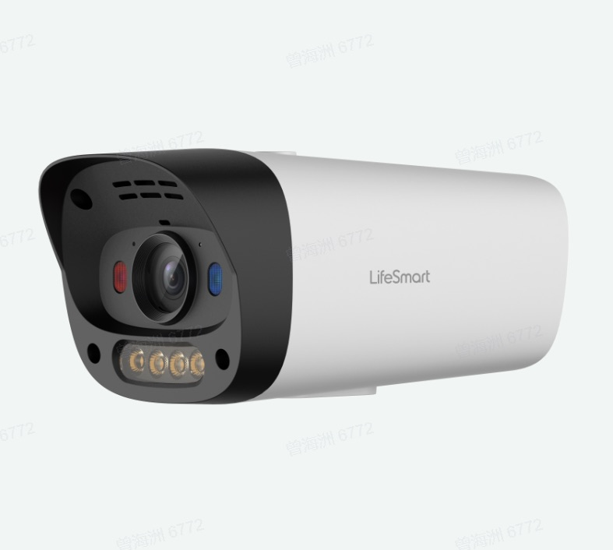 |  | in stock | UK adapter
12 | Cube Clicker | LS069WH | 1 | PCS | US$8.80 | US$8.80 |  |  | in stock
13 | Cube Door/Window Sensor | LS058WH | 1 | PCS | US$14.00 | US$14.00 |  |  | in stock
14 | Motion Sensor Pro | LS235WH | 1 | PCS | US$18.00 | US$18.00 |  |  | in stock
15 | Cube Environmental Sensor | LS063WH | 1 | PCS | US$16.50 | US$16.50 |  |  | in stock
16 | Water Leakage Sensor | LS064WH | 1 | PCS | US$16.50 | US$16.50 |  |  | in stock
17 | Gas Sensor | LS086WH | 1 | PCS | US$26.50 | US$26.50 |  |  | in stock | UK adapter
18 | Environmental Sensor （Co2） | LS182WH | 1 | PCS | US$53.00 | US$53.00 |  |  | in stock | UK adapter
19 | Independent Photoelectric Smoke Detector(Zigbee) | MIR-SM100 | 1 | PCS | US$20.00 | US$20.00 |  |  | in stock
20 | In-wall Air Quality Detector(ZigBee) | PMT300-S-ZTN | 1 | PCS | US$95.00 | US$95.00 |  |  | in stock
21 | Household Gas Detector(ZigBee) | JT-GA102 | 1 | PCS | US$30.00 | US$30.00 |  |  | in stock
22 | Human Presence Sensor(Radar Detector, ZigBee) | MSA201 Z | 1 | PCS | US$55.00 | US$55.00 |  |  | in stock
23 | Human Presence Sensor of CoTP | MSA237D | 1 | PCS | US$59.00 | US$59.00 | 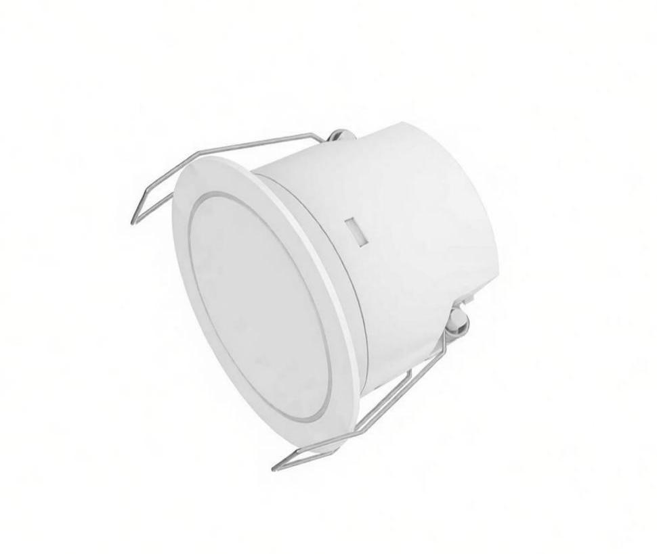 |  | in stock
24 | BLEND Light Strip（2M） | LS065 | 1 | PCS | US$33.00 | US$33.00 |  |  | in stock | UK adapter
25 | Smart Plug(ZigBee UK, with Monitor Energy Usage) | BSD48 | 1 | PCS | US$16.00 | US$16.00 |  |  | in stock
26 | BLEND Switch PRO(Gray 3 way) | LS240-GR3 | 1 | PCS | US$32.00 | US$32.00 |  |  | in stock
27 | BLEND Switch PRO(Black 2 way) | LS240-BL2 | 1 | PCS | US$30.00 | US$30.00 |  |  | in stock
28 | Two Channel Dimming Controller （0-10V） | LS255 | 1 | PCS | US$28.00 | US$28.00 |  |  | in stock
29 | CV Dimming Controller | LS265 | 1 | PCS | US$29.00 | US$29.00 |  |  | in stock
30 | Dali Controller 11.015710 | LS266 | 1 | PCS | US$69.00 | US$69.00 |  |  | in stock
31 | CT Dimming LED Driver （12W/CoSS) | LS261A712 | 1 | PCS | US$22.00 | US$22.00 |  |  | in stock | 11.021320
32 | Ti_Anti-dazzle Round Downlight(75/12W/0-10/B/25˚) | HDL7512-CW | 1 | PCS | US$46.00 | US$46.00 |  |  | in stock
33 | Zigbee TRIAC Dimmer Controller_V2 | QS-Zigbee-D06-TRIAC-2C | 1 | PCS | US$23.00 | US$23.00 |  |  | in stock
34 | Nature Dimmer (0-10V)(White Frame - Black AG Glass) | LS220-DW2 | 1 | PCS | US$36.00 | US$36.00 |  |  | in stock | 11.011170
35 | Nature Dimmer (0-10V)(Gray Frame - Black AG Glass) | LS220-DG2 | 1 | PCS | US$36.00 | US$36.00 |  |  | in stock
36 | Nature Switch (Heavy Duty) | LS220-GRH | 2 | PCS | US$35.00 | US$70.00 |  |  | in stock
37 | Triac Dimmer Switch Black | LS223BL | 1 | PCS | US$30.00 | US$30.00 |  | US$25.00 | in stock
38 | CUBE Switch Module （2 way） | LS177 | 1 | PCS | US$22.00 | US$22.00 |  |  | in stock
39 | Universal Remote Control（Spot）CoSS Version | LS136 | 2 | PCS | US$24.00 | US$48.00 |  |  | in stock | UK adapter
40 | SPOT Mini Universal Remote Controller (CoSS) | LS251WH | 1 | PCS | US$17.50 | US$17.50 |  |  | in stock | UK adapter
41 | SPOT Mini wall mount bracket | / | 1 | PCS | US$2.00 | US$2.00 |  |  | in stock
42 | SPOT Mini wall mount screw kit | / | 1 | PCS | US$0.50 | US$0.50 |  |  | in stock
43 | General Controller | LS143 | 1 | PCS | US$27.50 | US$27.50 |  |  | in stock | UK adapter
44 | Nature Mini PRO (Gray Thermostat) | LS268-GT1 | 1 | PCS | US$82.00 | US$82.00 |  |  | in stock
45 | Nature Thermostat (Gray Frame - Black Glass) | LS220-GT1 | 1 | PCS | US$48.00 | US$48.00 |  |  | in stock
46 | Nature Mini Desktop Base | / | 1 | PCS | US$30.00 | US$30.00 |  |  | in stock
47 | Nature 7 Pro | LS227 | 1 | PCS | US$278.00 | US$278.00 |  |  | in stock
48 | Nature Mini PRO (Gray 3 way) | LS268-GR3 | 1 | PCS | US$85.00 | US$85.00 |  |  | in stock
49 | Nature X PRO | LS280-AQ | 1 | PCS | US$185.00 | US$185.00 |  |  | in stock | UK adapter
50 | Dahua Intercom | VTO2211G-P-S2 | 1 | PCS | US$135.00 | US$135.00 |  |  | around 50days | 11.016000
51 | Dahua Intercom | VTO2202F-P-S3 | 1 | PCS | US$170.00 | US$170.00 |  |  | around 50days | 11.015970
52 | Dahua Intercom | VTO6631QB-WP | 1 | PCS | US$230.00 | US$230.00 |  |  | in stock
53 | Quicklink Curtain Motor Suit (3.2m) | BCM100D | 1 | PCS | US$69.30 | US$69.30 |  |  | in stock | UK adapter
54 | Quicklink Curtain Motor（Dual Channel Remote） | / | 1 | PCS | US$6.00 | US$6.00 |  |  | in stock
55 | Quicklink Curtain Rail Connector (90°) | / | 1 | PCS | US$8.00 | US$8.00 |  |  | in stock
56 | Smart Curtain Motor（CoSS） | LS133WH | 1 | PCS | US$68.00 | US$68.00 |  |  | in stock
57 | Silent Track Curtain Motor | BCM500DS | 1 | PCS | US$52.00 | US$52.00 |  |  | in stock
58 | Silent Track Curtain Motor Remote Controller | BE301 | 1 | PCS | US$7.00 | US$7.00 |  |  | in stock
59 | DC Tubular Motor-25 11.013430 | TQA25 | 1 | PCS | US$55.00 | US$55.00 |  |  | in stock
60 | DC Tubular Motor remote control (V2)-25 11.012590 | YR2188B | 1 | PCS | US$6.00 | US$6.00 |  |  | in stock
61 | DC Tubular Motor(V2)-25 Accessory 59.000680 | / | 1 | PCS | US$4.50 | US$4.50 |  |  | in stock
62 | DC Tubular Motor (V2)-35 11.012580 | TP35-5/26EHU | 1 | PCS | US$79.00 | US$79.00 |  |  | in stock
63 | DC Tubular Motor remote control (V2)-35 11.012590 | YR2188B | 1 | PCS | US$6.00 | US$6.00 |  |  | in stock
64 | DC Tubular Motor(V2)-35 Accessory 59.000600 | / | 1 | PCS | US$4.50 | US$4.50 |  |  | in stock
65 | Palm Vein Video Intercom Smart Lock | X200 | 1 | PCS | US$299.00 | US$299.00 |  |  | in stock
66 | Smart Door Lock C200(Black) | C200 | 1 | PCS | US$130.00 | US$130.00 |  |  | Aug 7th
67 | Smart Door Lock C200(Golden) | C200 | 1 | PCS | US$130.00 | US$130.00 |  |  | in stock
68 | Lock Carrier for Door Lock | / | 1 | PCS | US$35.00 | US$35.00 |  |  | Aug 7th
69 | Clearwave Wireless Amplifier 11.015690 | SA50+ | 1 | PCS | US$120.00 | US$120.00 |  |  | in stock
70 | HVAC Smart Controller | LS175 | 1 | PCS | US$209.00 | US$209.00 |  |  | in stock
71 | Central Air-conditioner Smart Controller PRO | LS212 | 1 | PCS | US$58.00 | US$58.00 |  |  | in stock
72 | Magic Mirror M15 | LS121GD | 1 | PCS | US$660.00 | US$660.00 |  |  | in stock | UK adapter
73 | BLEND Curtain Controller PRO(Gray) | LS240-GCN | 1 | PCS | US$32.00 | US$32.00 |  |  | in stock
74 | Demo kit | / | 1 | PCS | US$490.00 | US$490.00 |  |  | in stock | UK adapter
75 | Demo Box (UK type) | / | 1 | PCS | US$1,250.00 | US$1,250.00 |  |  | in stock | UK adapter
76 | SUBLIME Panel Classic (Crest 4/Dune Gold) | SLCY4C01 | 1 | PCS | US$55.00 | US$55.00 | 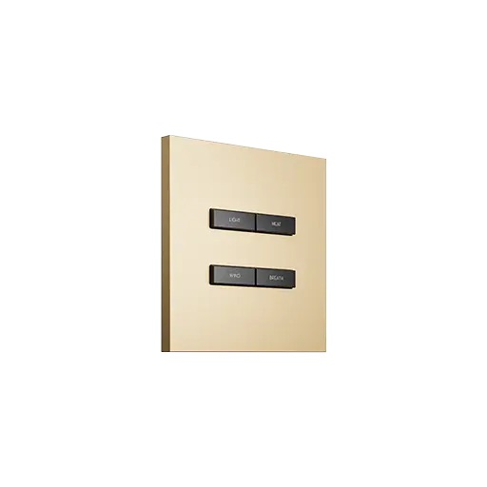 | 键1：CURTAIN ON 键2：CURTAIN OFF 键3：LED STRIP 键4：SPOTLIGHT | around 10days after received payment | 11.016310
77 | SUBLIME Panel Pro (Crest 6/Dune Gold) | SLPA6C01 | 1 | PCS | US$159.00 | US$159.00 | 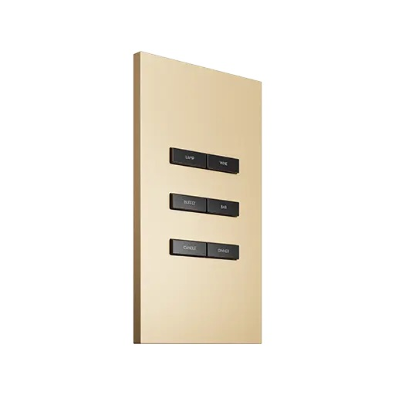 | 键1：ENTRANCE 键2：LOUNGE 键3：BALCONY 键4：DINING 键5：THEATER 键6：READING | around 10days after received payment | 11.016410
78 | SUBLIME CoTP Adapter | SA-DC1 | 6 | PCS | US$11.00 | US$66.00 | 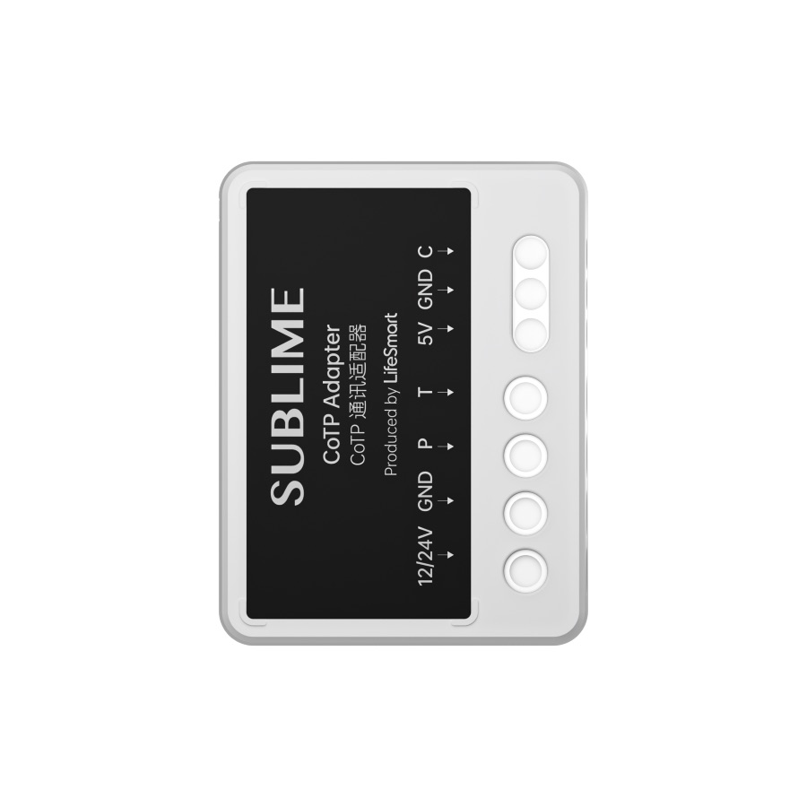 |  | around 10days after received payment | 11.022940
79 | SUBLIME Track Actuator 4 gang | SA-AC4 | 1 | PCS | US$119.00 | US$119.00 | 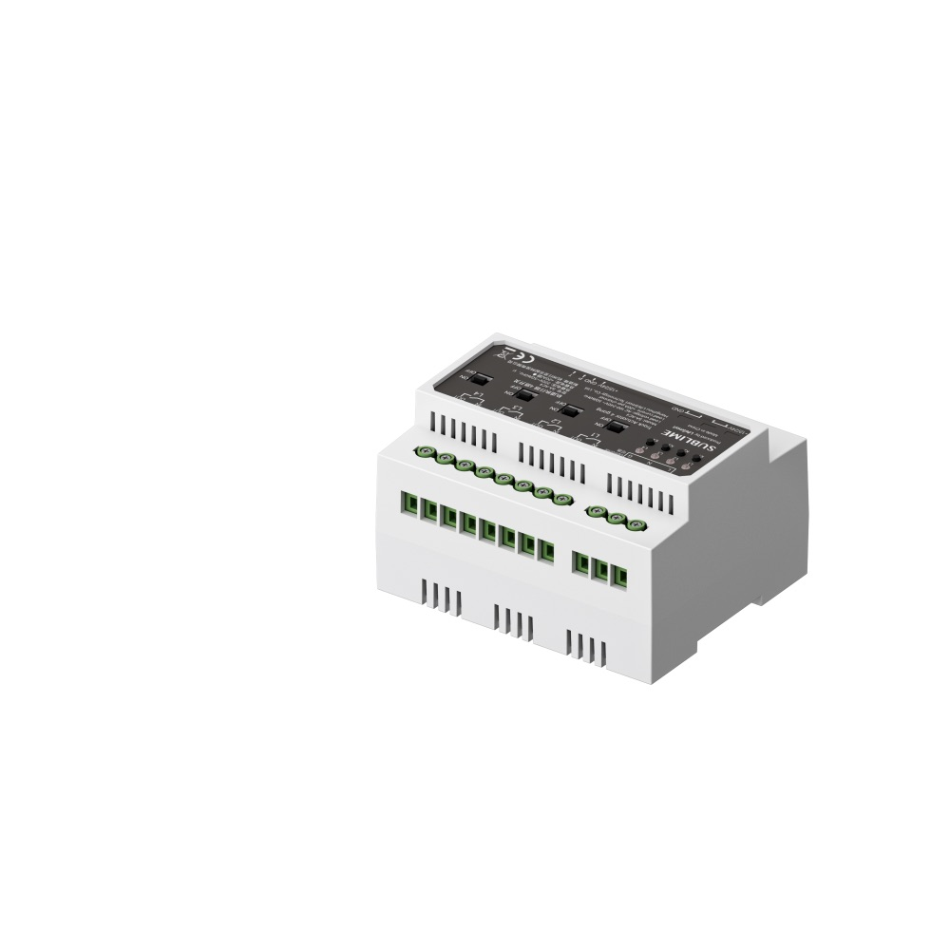 |  | around 10days after received payment | 11.019410
80 | SUBLIME Track Actuator 8 gang | SA-AC8 | 1 | PCS | US$153.00 | US$153.00 | 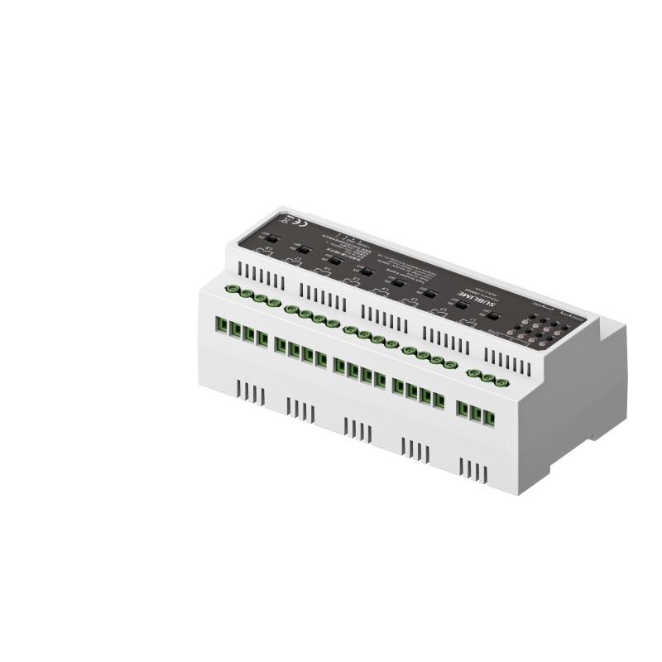 |  | around 10days after received payment | 11.019420
81 | SUBLIME CoTP Net Adapter | SA-BE1 | 1 | PCS | US$22.00 | US$22.00 | 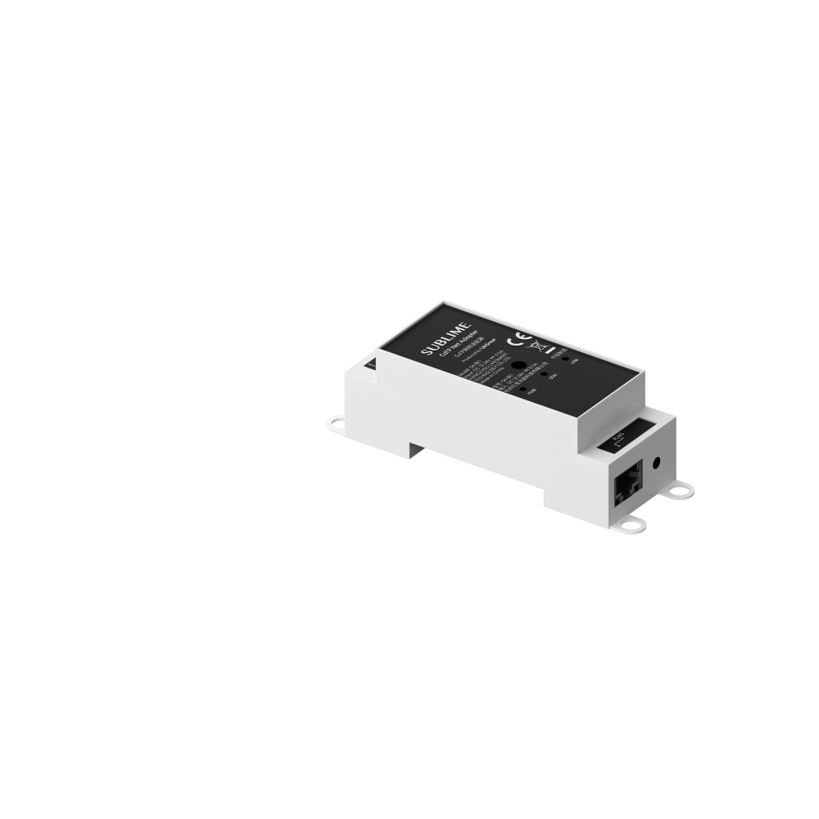 |  | around 10days after received payment | 11.019450
82 | SUBLIME Panel Classic (Crest 4/ Obsidian Black) | SLCY4C05 | 1 | PCS | US$55.00 | US$55.00 | 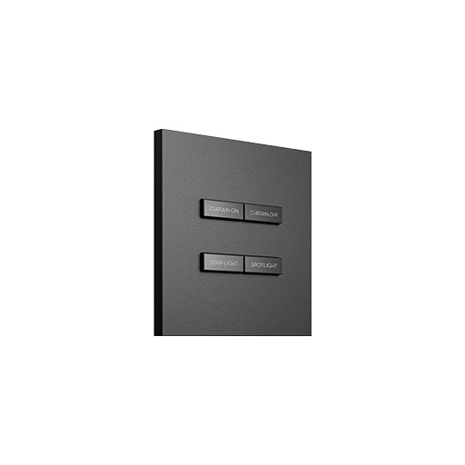 | 键1：CURTAIN ON 键2：CURTAIN OFF 键3：LED STRIP 键4：SPOTLIGHT | around 10days after received payment | 11.020620
83 | SUBLIME Panel Pro (Crest 6/ Obsidian Black) | SLPA6C05 | 1 | PCS | US$159.00 | US$159.00 | 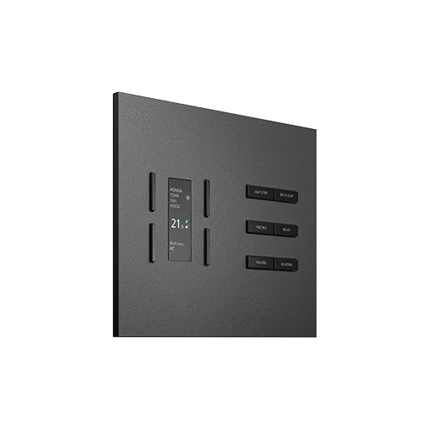 | 键1：ENTRANCE 键2：LOUNGE 键3：BALCONY 键4：DINING 键5：THEATER 键6：READING | around 10days after received payment | 11.020640
84 | SUBLIME Panel Air (Crest 2/Cosmos Black) | SLBY2B03 | 1 | PCS | US$33.00 | US$33.00 | 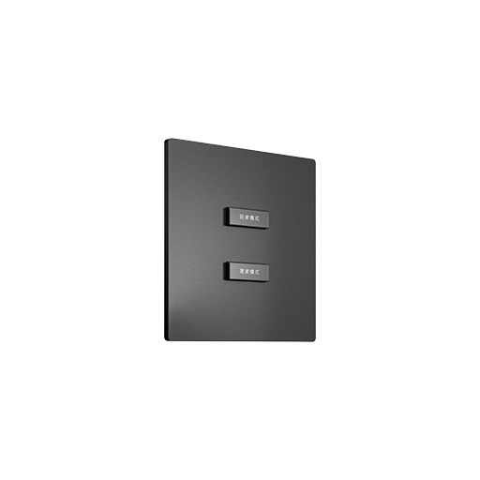 | 键1：HOME 键2：AWAY | around 10days after received payment | 11.017730
85 | SUBLIME Panel Ultra (Landscape Obsidian Black) | SLMU8E17 | 1 | PCS | US$560.00 | US$560.00 | 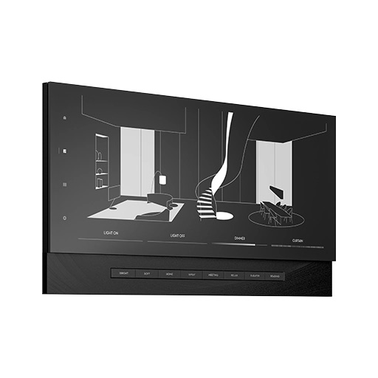 | 键1：BRIGHT 键2：SOFT 键3：FLOOR 键4：CEILING 键5：GUEST 键6：RELAX 键7：THEATER 键8：READING | around 10days after received payment | 11.021100
86 | Sublime UK in-wall plug (Dune Gold) | 12.005790 | 2 | PCS | US$15.00 | US$30.00 | 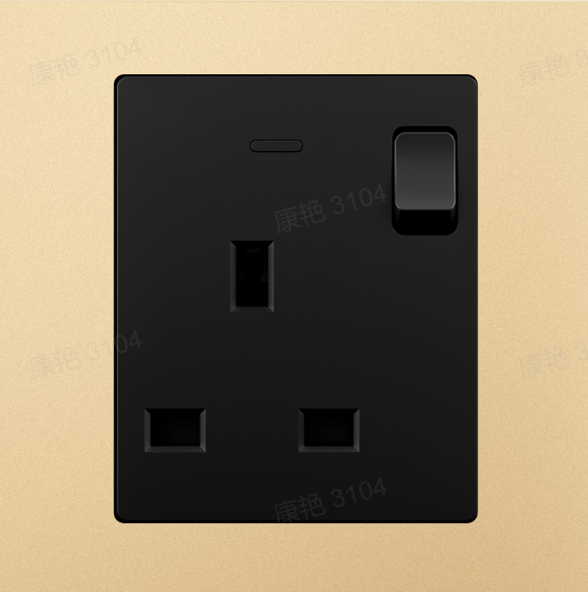 |  | around 10days after received payment
87 | Sublime CC Dimming LED Driver (7-12W/CoTP) | SA-AL3-712 | 1 | PCS | US$22.00 | US$22.00 | 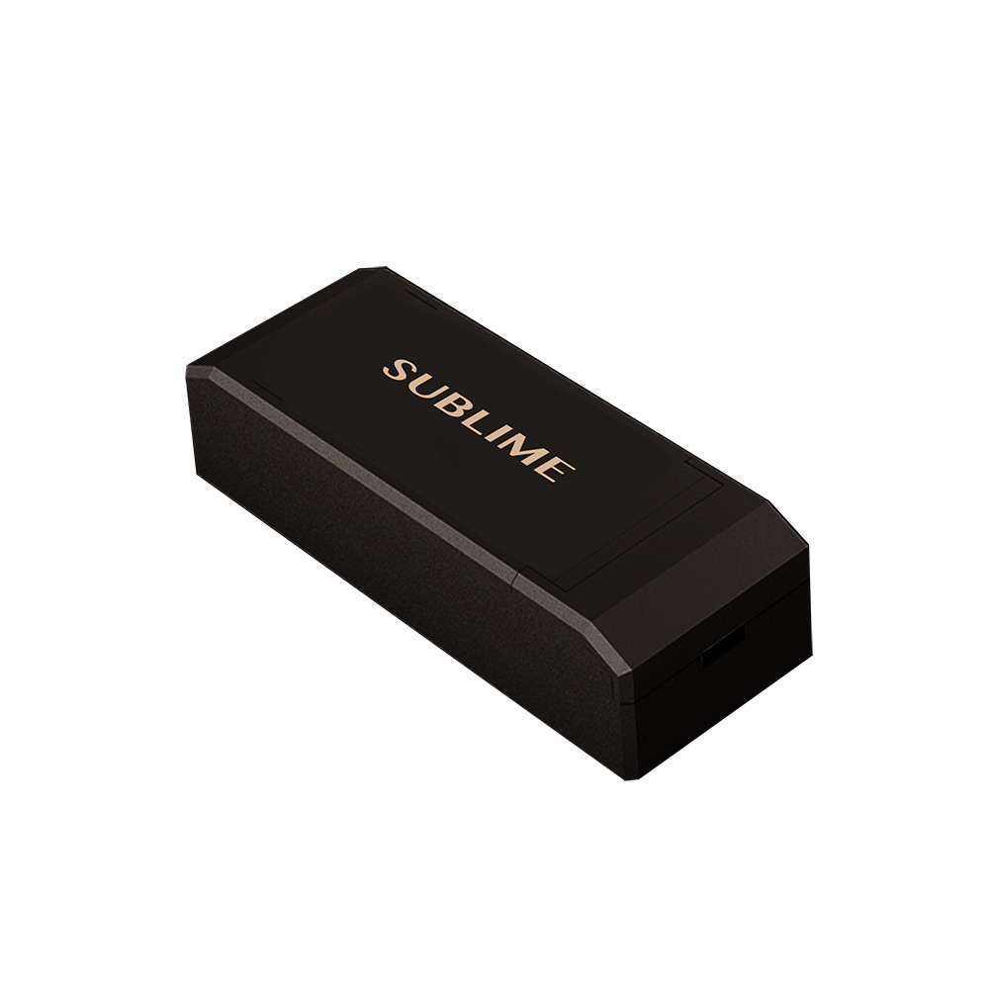 |  | in stock | 11.020370
88 | Sublime CV Dimming LED Driver (240W/CoTP) | SA-AL2-240 | 1 | PCS | US$84.00 | US$84.00 | 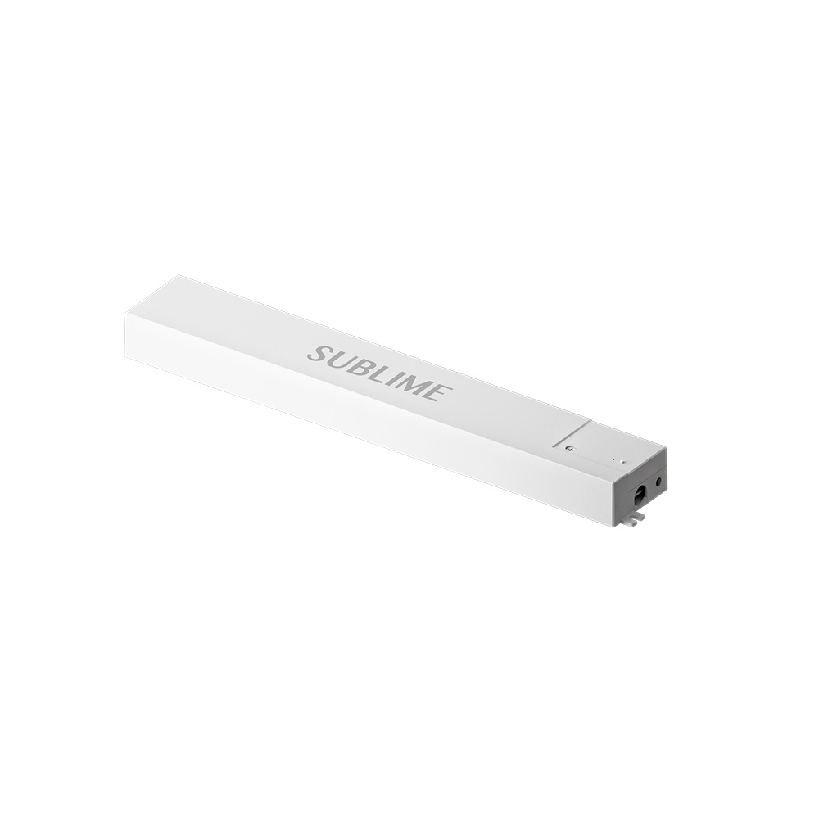 |  | in stock | 11.020360
89 | Sublime CV Dimming LED Driver (150W/CoTP) | SA-AL2-150 | 1 | PCS | US$58.50 | US$58.50 |  |  | in stock | 11.020350
90 | Scape_Single White Mini Spotlight (35/5W/2700K/15°/FS) | SLS3505 | 1 | PCS | US$20.00 | US$20.00 | 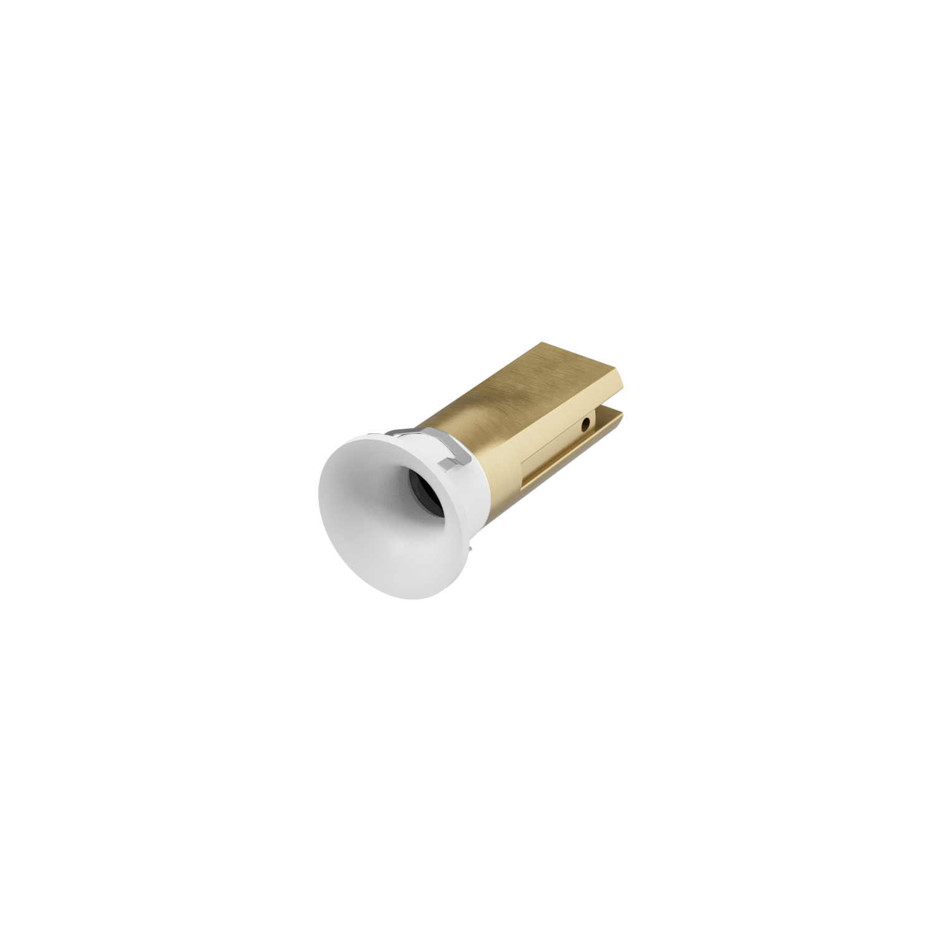 |  | in stock | 11.021190
91 | Scape_Single White Mini Spotlight (35/5W/3000K/15°/FS) | SLS3505 | 1 | PCS | US$20.00 | US$20.00 |  |  | in stock | 11.021200
92 | Scape_Tunable White Mini Spotlight (35/5W/24V/15°/FS) | SLS3507-CV | 1 | PCS | US$20.00 | US$20.00 |  |  | in stock | 11.021210
93 | Scape_Tunable White Trimless Mini Spotlight (35/5W/15°/FS) | SLS3507-TR-CV | 1 | PCS | US$18.00 | US$18.00 | 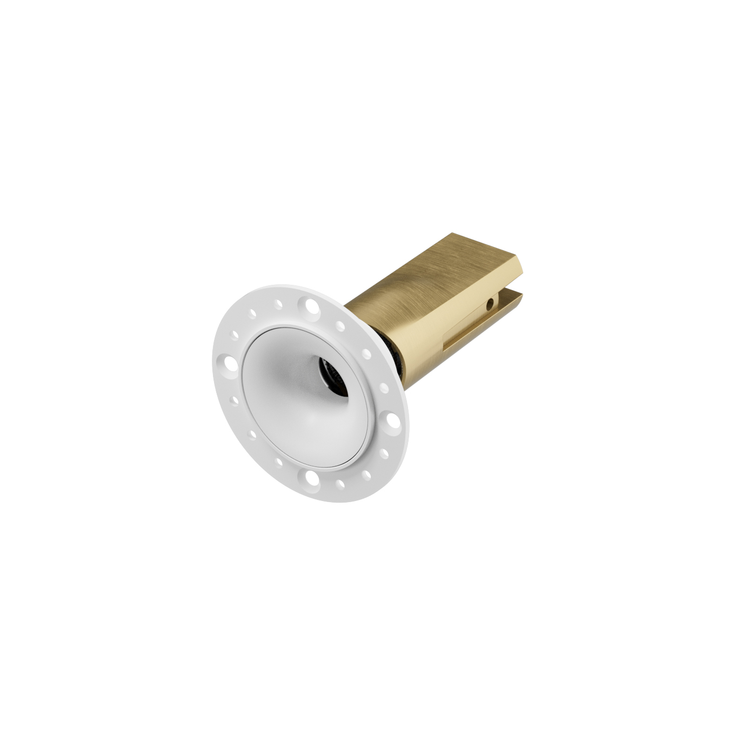 |  | around 30days | 11.021220
94 | Scape_Tunable White Spotlight (CoTP/55/7W/24°/FS) | SLS5507-CC | 1 | PCS | US$41.00 | US$41.00 | 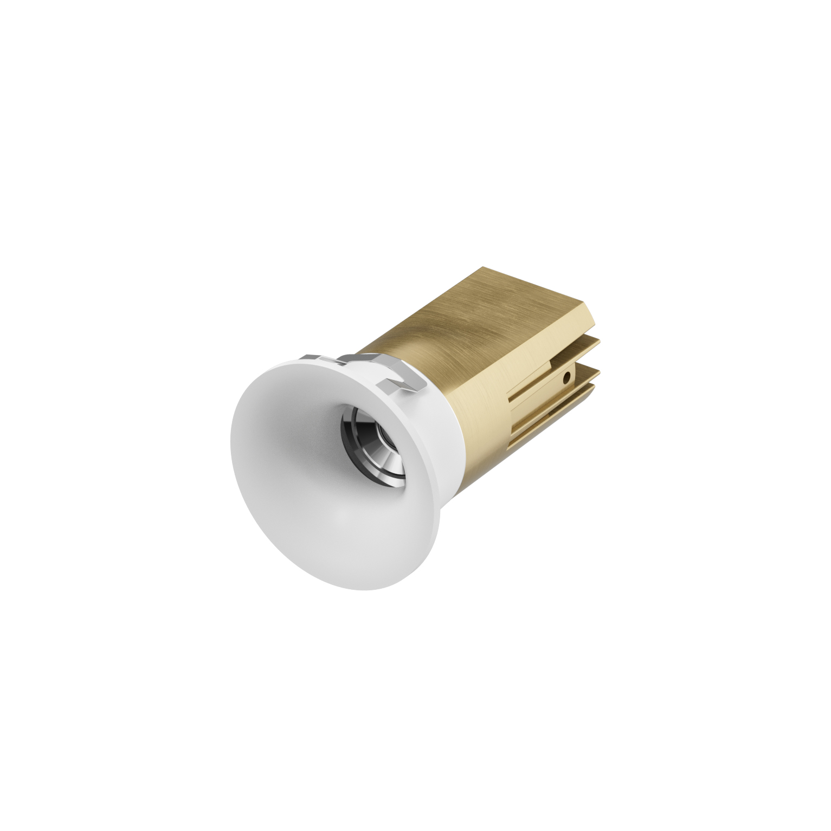 |  | in stock | 11.021230
95 | Scape_Tunable White Trimless Spotlight (CoTP/55/7W/24°/FS) | SLS5507-TR-CC | 1 | PCS | US$41.00 | US$41.00 | 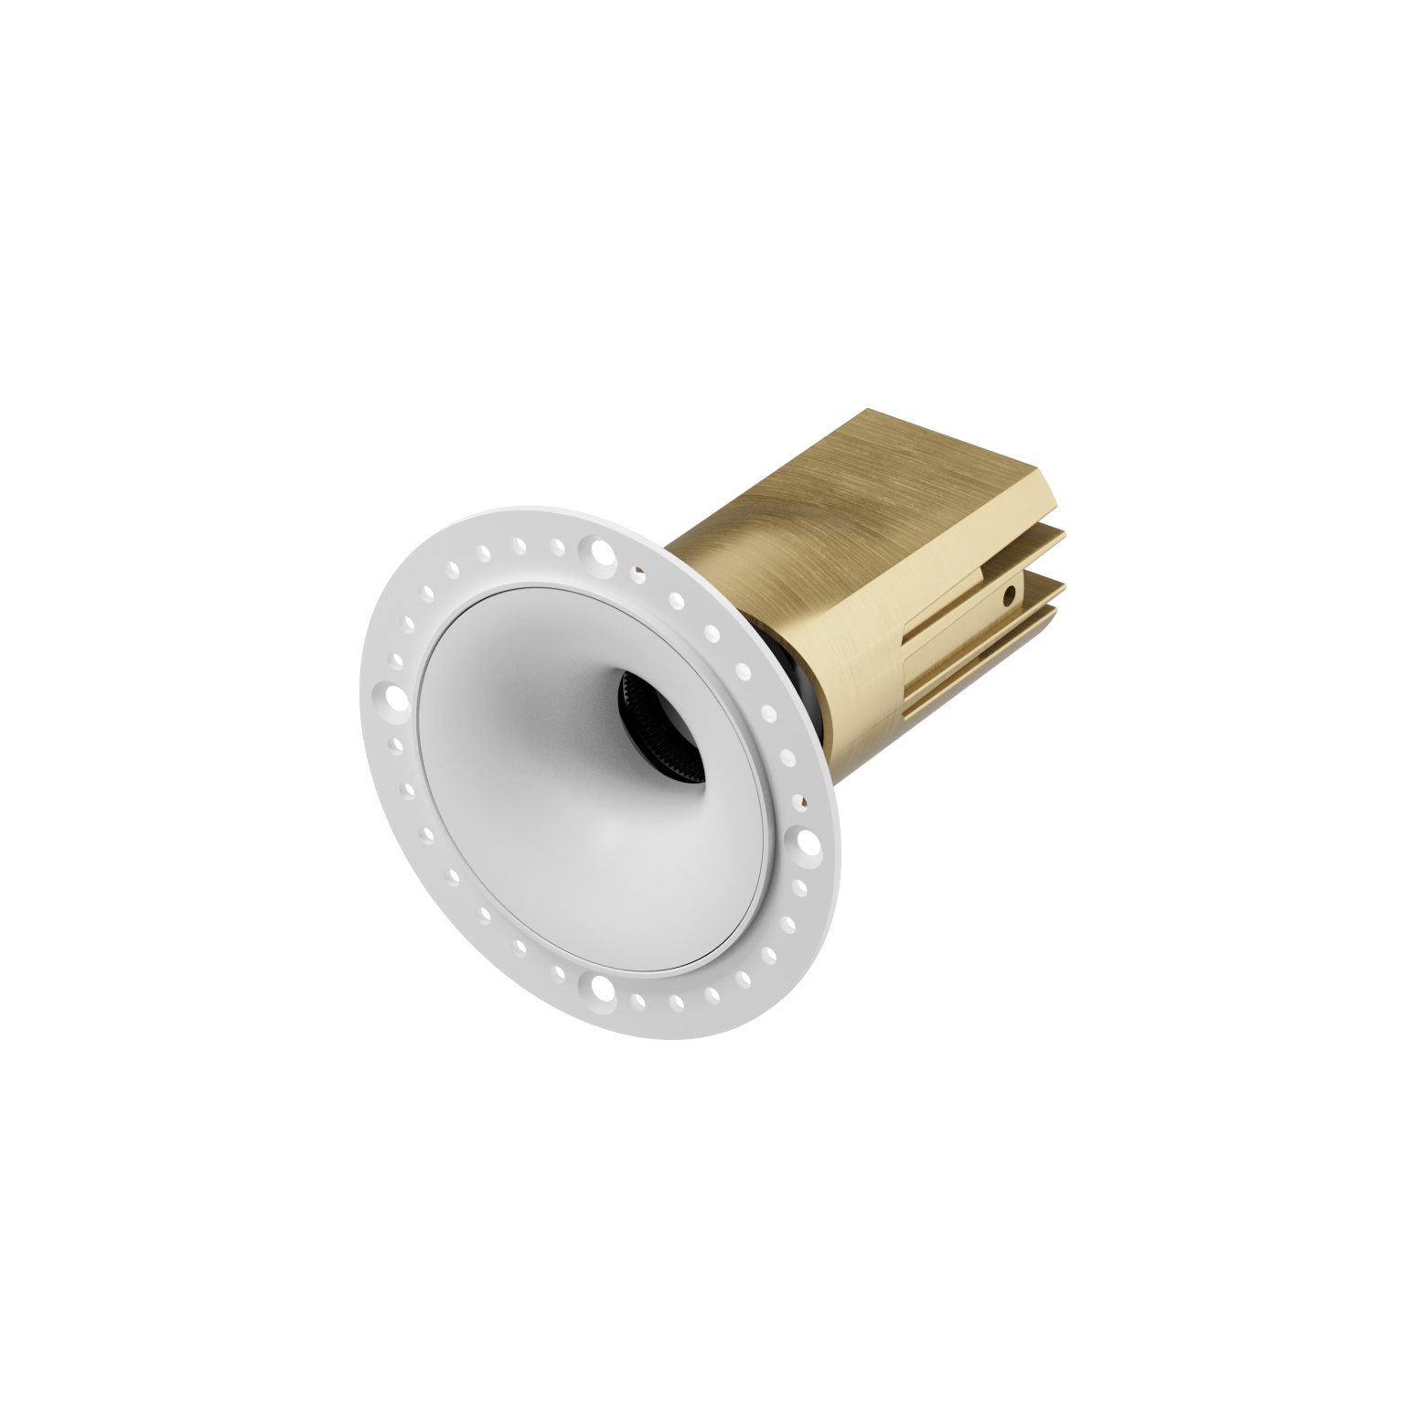 |  | in stock | 11.021240
96 | Scape_Tunable White Spotlight (CoTP/75/12W/24°/FS) | SLS7512-CC | 1 | PCS | US$45.00 | US$45.00 | 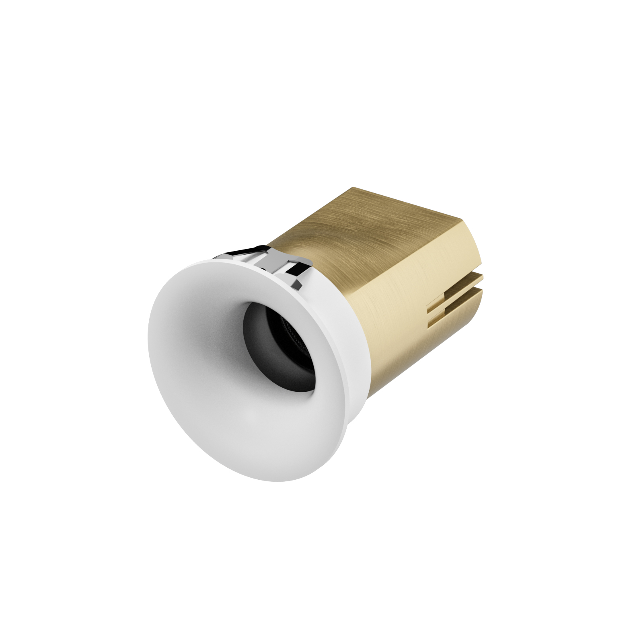 |  | in stock | 11.021250
97 | Scape_Tunable White Trimless Spotlight (CoTP/75/12W/24°/FS) | SLS7512-TR-CC | 1 | PCS | US$45.00 | US$45.00 | 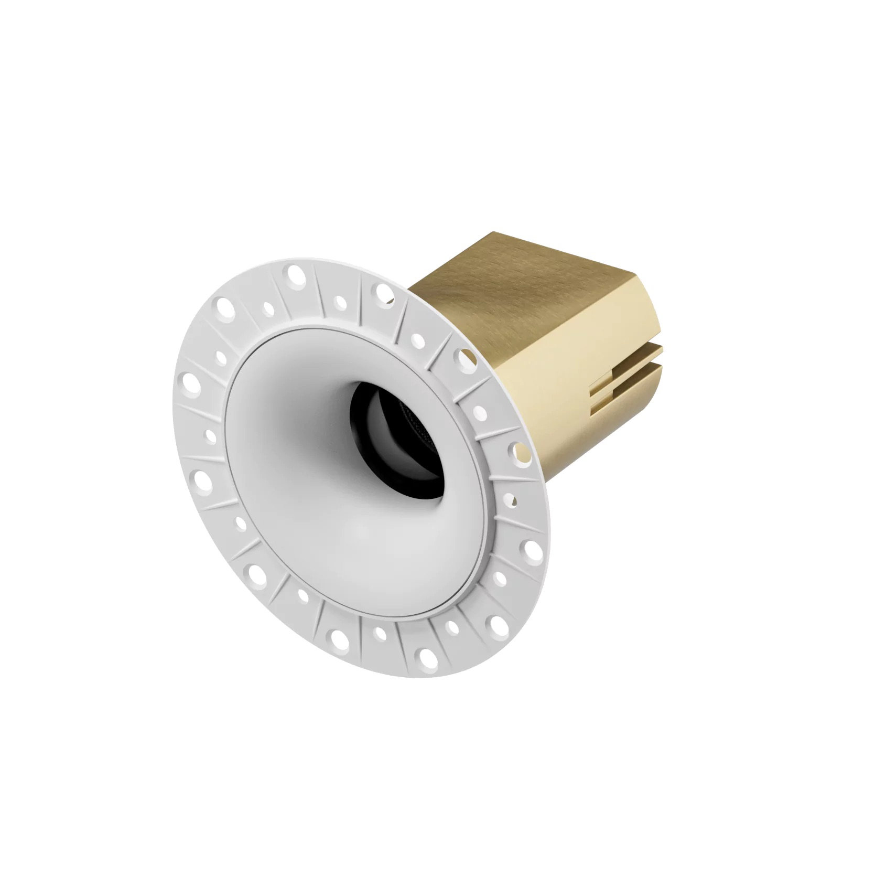 |  | around 30days | 11.021260
98 | Scape_Tunable White 10M Ultra-Bright LED Strip | SLS-2835-140D-24V-CW | 1 | PCS | US$44.80 | US$44.80 |  |  | in stock | 11.021330
99 | Scape Series_Tunable White 5M Water-Proof Ultra-Bright LED Strip | SLS-2835-140D-24V-IP68-CW | 1 | PCS | US$35.50 | US$35.50 |  |  | in stock | 11.021340
100 | SUBLIME Panel Line(U03/Damascene Obsidian Black) | SLU03E41 | 1 | PCS | US$232.00 | US$232.00 | 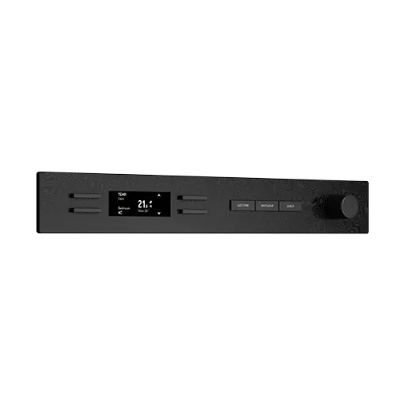 | 键1：LED STRIP 键2：SPOTLIGHT 键3：GUEST | in stock | 11.021380
101 | SUBLIME CoTP PoE Adapter | SA-DP1 | 1 | PCS | US$17.00 | US$17.00 | 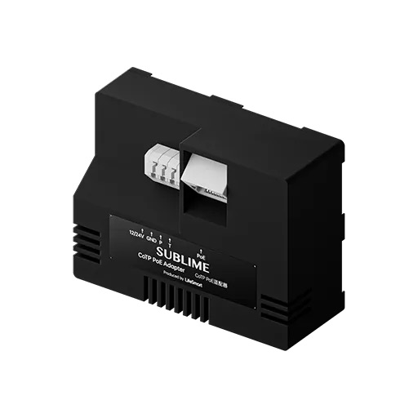 |  | in stock | 11.021430
102 |  | Total: |  |  |  | US$9,777.90 |  |  |  | Once your order volume reaches USD 300,000, the USD 9,900 sample fee can be deducted against your bulk order and allowing you to obtain products valued at USD 309,900 in total.

TOTAL AMOUNT: SAY US DOLLARS NINE THOUSAND SEVEN HUNDRED SEVENTY-SEVEN AND NINETY CENTS ONLY
Ship & Payment Term: FOB Shenzhen ; Telegraphic Transfer 100% prepaid FOB Shenzhen

USD Bank Information:
Account Name: | HANGZHOU LIFESMART TRADE CO.,LTD |  |  |  |  |  |  | HANGZHOU LIFESMART TRADE CO.,LTD
Beneficiary Address | Room403-6, Floor 4, YUESHENG INTERNATIONAL CENTER 518 PINGLAN RD XIAOSHAN DIST HANGZHOU ZHEJIANG CHINA
Account No.: | 201000269320780
Bank Name: | HangZhou United Rural Commercial Bank Co,LTD
Bank Address: | NO.99 MIDDLE JIAN GUO ROAD,HangZhou P.R. CHINA
Swift Code: | URCBCN2H |  |  |  |  |  |  | Authorized Signature

